sphere_molina
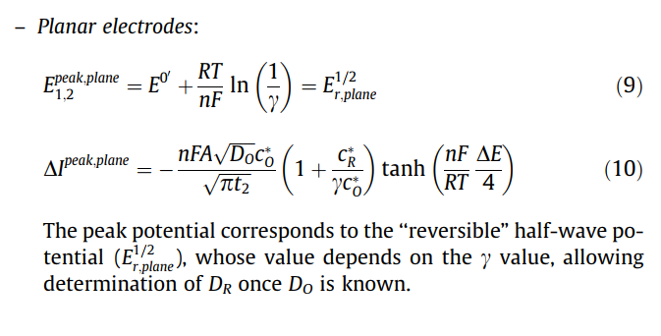
Constant
F | 96485.33 | (s A)/mol

params.
C0* | 1 | mM
C0* | 1.00E-06 | mol/cm3
r0 | 20 | um
r0 | 0.002 | cm
A | 0.00005024 |  | sphere
D0 | 0.00001 | cm2/s
n | 1

t1 | 1 | s
taw-taw'(t2,tp) | 0.02 | s | pulse duration
R | 8.314 | J/(mol K) |  | Ref:
T | 298 | K |  | Molina, Á., Laborda, E., Rogers, E.I., Martínez-Ortiz, F., Serna, C., Limon-Petersen, J.G., Rees, N.V. and Compton, R.G., 2009. Theoretical and experimental study of Differential Pulse Voltammetry at spherical electrodes: Measuring diffusion coefficients and formal potentials. Journal of Electroanalytical Chemistry, 634(2), pp.73-81.
delta E | -0.05 | V | pulse height
nF dE/(RT4) | -0.48679377431

Iss | 7.7188264E-09 | A
peak height | 3.8577965941E-08 | A | equal diffusion
peak height | 3.0559018308E-09 |  | planar

Id | 8.6484042384E-09

peak/Id | 4.4607033711

